0. Data Citation
 | Title page
Data Citation

“The Instacart Online Grocery Shopping Dataset 2017”, Accessed from www.instacart.com/datasets/grocery-shopping-2017 via Kaggle on June 12, 2023
Disclaimer: Customers data (customers.csv) and prices data ('prices' column in products.csv) has been fabricated for the purpose of this exercise

1. Title Page
[Grocery Basket Analysis]

Project Name: Grocery Basket Analysis
Date: 7/24/2023
Analyst Name: Chan Park

Contents:
Population Flow
Consistency checks
Wrangling steps
Column derivations
Visualizations
Recommendations

2. Population Flow
Title page

Population flow

Exclusion flag
Condition: max_order < 5
Obervations to be removed: 3,240,341
Final total count of order_products_all: 30,964,518

Orders_products_combined
Orders_products_merged
Orders_products_all

Total: 32,404,859
Total: 32,434,489
Total: 34,204,859

1.) The grey boxes in the first row of the population flow represent the original data sets as they were when you downloaded them. In the Total fields you need to add the count of the rows when you imported the data set into Jupyter.
2.) The second row of boxes (coloured) represents the data sets after you manipulated them, e.g., removed missing values and duplicates. In the Total fields you need to add the count of the rows after conducting these operations. This offers a visual oveview of how the data flows throughout the data consistency checks.
3.) The third row, where also the arrows are coloured, represents the merges you performed between the datasets. In the Total fields you need to add the count of the rows in the merged datasets, so that you end up with the final dataset (in the red box). Keep in mind the final dataset should be without exclusions (based on the exclusion flag).

3. Consistency checks
 |  |  |  |  |  | Title page
Consistency checks

Dataset | Missing values | Missing values treatment | Mixed-type data | Incorrect data | Duplicates
orders | days_since_prior_order: 206,209 missing | replaced all with 0 | - | - | -
products | product_name : 16 missing | removed | - | - | 5 duplicates - removed
orders_products_prior | - | - | - | - | -
customers | First Name' column contained missing values | dropped (refer to 4. Wrangling steps for details) | - | - | -

4. Wrangling steps
 |  |  |  | Title page
Wrangling steps

Dataframe | Impacted column (original name) | Type of modification | Comment/Reason
orders | eval_set | Column dropped | data irrelevant for analyses
orders | order_id | Column type changed | ordinal data, which is not used for any mathmatical applications; switched from integer to string
orders | order_dow | Column renamed | changed to order_days_of_week to make it more intuitive
orders | user_id | Column type changed | ordinal data, which is not used for any mathmatical applications; switched from integer to string
orders | order_number | Column renamed | changed to order_sequenc_number to make it more intuitive
customers | First Name | Column dropped | no analyses needed around in specific to customer first name
customers | Surnam | Column dropped | no analyses needed around in specific to customer last name

5. Column derivations
 |  |  |  | Title page

Column derivations and aggregations

In this tab you should add tables below that the frequences of flags/label variables that you produced after deriving them. NB: don't do this for continuous variables, only for flags.
Dataset | New column | Column/s it was derived from | Conditions
orders_products_combined.pkl | _merge | order_id' from 'orders_checked.csv' and 'order_id' from 'order_products__prior.csv' | if 'order_id' is present in both data sets = "both" if 'order_id' is present in 'orders_checked.csv' = "left_only" if 'order_id' is present in 'orders_products__prior.csv' = "right_only"
orders_products_merged_with_busy_analyses.pkl | price_label | prices | if 'prices' < = 5, 'Low-range product' if 5 < 'prices' <= 15, 'Mid-range product' if 'prices' > 15, 'High range' or else: 'Not enough data'
orders_products_merged_with_busy_analyses.pkl | price_range_loc | prices | if 'prices' < = 5, 'Low-range product' if 5 < 'prices' <= 15, 'Mid-range product' if 'prices' > 15, 'High-range product'
orders_products_merged_with_busy_analyses.pkl | busiest_day | order_days_of_week | if 'order_days_of_week' = 0, 'Busiest day' if 'order_days_of_week' = 4, 'Leasst busy' or else: 'Regularly busy'
orders_products_merged_with_busy_analyses.pkl | Busiest_Days | order_days_of_week | if 'order_days_of_week' = 0 or 1, 'Busiest day' if 'order_days_of_week' = 3 or 4, 'Slowest day' or else: 'Normal day'
orders_products_merged_with_busy_analyses.pkl | busiest_period_of_day | order_hour_of_day | if 'order_hour_of_day' = 10, 11, 14, 15, 13, 12, 16, or 9 , 'Most orders' if 'order_hour_of_day' = 0, 1, 5, 2, 4, or 3, 'Fewest orders' or else: 'Average orders'
orders_products_merged_aggregate_data_analyses.pkl | max_order | user_id, order_sequence_number | The max value of 'order_sequence_number' for each user_id
orders_products_merged_aggregate_data_analyses.pkl | loyalty_flag | max_order | if 'max_order' > 40, 'Loyal customer' if 10 < 'max_order'' <= 40, 'Regular customer' if 'max_order'' <= 10, 'New customer'
orders_products_merged_aggregate_data_analyses.pkl | total_ord_spend | user_id, prices | Sum of 'prices' for each 'user_id'
orders_products_merged_aggregate_data_analyses.pkl | total_ord_count | user_id, order_id | Count of unique 'order_id's for each 'user_id'
orders_products_merged_aggregate_data_analyses.pkl | avg_ord_spend | total_ord_spend, total_ord_count | total_ord_spend' / 'total_ord_count'
orders_products_merged_aggregate_data_analyses.pkl | spending_flag | avg_ord_spend | if 'avg_ord_spend' < 10, 'Low spender' if 'avg_ord_spend' >= 10, 'High spender'
orders_products_merged_aggregate_data_analyses.pkl | median_frequency | user_id, days_since_prior_order | Median value of 'days_since_prior_order' for each 'user_id'
orders_products_merged_aggregate_data_analyses.pkl | frequency_flag | median_frequency | if 'median_frequency' > 20, 'Non-frequent customer' if 10 < 'median_frequency' <= 20, 'Regular customer' if 'median_frequency' <= 10, 'Frequent customer'
order_products_all.pkl | Region | Region' from 'region_state.csv' | Region, state information from another dataset (region_state.csv) was used to merge to have 'Region' information added to this dataset. Used the 'STATE' variables to conduct a left merge between two dataframes
order_products_all.pkl | customer_activity | total_ord_count | if 'total_ord_count' < 5, 'Low-activity' if 'total_ord_count' >= 5, 'Regular-activity'
order_products_all.pkl | age_bucket | age | if 'age' < (4.946802e+01 - 1.848528e+01), 'Young adult' if 'age' > (4.946802e+01 + 1.848528e+01). 'Senior' if (4.946802e+01 - 1.848528e+01) <= 'Age' <= (4.946802e+01 + 1.848528e+01), 'Middle-aged'
order_products_all.pkl | income_bucket | income | if 'income' < (9.967582e+04 - 4.314184e+04), 'Low income' if 'income' > (9.967582e+04 + 4.314184e+04). 'High income' if (9.967582e+04 - 4.314184e+04) <= 'income' <= (9.967582e+04 + 4.314184e+04), 'Middle income'
order_products_all.pkl | Age_income_level | age_bucket, income | Concatenating 'age_bucket' and 'income_bucket'
order_products_all.pkl | Age_fam_status | age_bucket, income | Concatenating 'age_bucket' and 'fam_status'
order_products_all.pkl | Alcohol_flag | user_id, order_id_departement_id | Note: this column was deleted after deriving another column using this column information. Mentioning this here to illustrate how 'Age_alcohol_level' was derived. If any 'order_id's for a given 'user_id' contains rows with 'department_id' = 5, 'Alcohol consumer' If not, 'Non-alcohol consumer'
order_products_all.pkl | Age_alcohol_level | age, Alcohol_flag | Concatenating 'age_bucket' and 'Alcohol_flag'
order_products_all.pkl | Pet_flag | user_id, order_id_departement_id | Note: this column was deleted after deriving another column using this column information. Mentioning this here to illustrate how 'Pet_household' was derived. If any 'order_id's for a given 'user_id' contains rows with 'department_id' = 8, Pet ownerr' If not, 'Non-pet owner'
order_products_all.pkl | household | fam_status | Note: this column was deleted after deriving another column using this column information. Mentioning this here to illustrate how 'Pet_household' was derived. If 'fam_status' = 'married' or 'living with parents and siblings', 'Multi-member family' If 'fam_status' = 'single' or 'divorced/widowed', 'Single-member family'
order_products_all.pkl | Pet_household | Pet_flag, household | Concatenating 'Pet_flag' and 'household'
order_products_all.pkl | buying_power | fam_status, n_dependants | if 'fam_status' = 'living with parents and siblings', 'Dependant of someone' if 'fam_status' is 'single' or 'divorced/widowed' and 'n_dependants' = 0, 'Single income with no kids' if 'fam_status' is 'single' or 'divorced/widowed' and 'n_dependants' = 1, 'Single income with single kid' if 'fam_status' is 'single' or 'divorced/widowed' and 'n_dependants' > 1, 'Single income with multiple kids' if 'fam_status' is 'married' and 'n_dependants' = 0, 'Dual income with no kids' if 'fam_status' is 'married' and 'n_dependants' = 1, 'Dual income with single kid' if 'fam_status' is 'married' and 'n_dependants' > 1, 'Dual income with multiple kids'
order_products_all.pkl | order_time | order_days_of_week, order_hour_of_day | Note: this column was deleted after deriving another column using this column information. Mentioning this here to illustrate how 'user_preferred_shop_time' was derived. If 'order_days_of_week' = 0 or 1 AND 'order_hour_of_day' >= 20 or <=3, 'Weekend night' If 'order_days_of_week' = 0 or 1 AND 'order_hour_of_day' >= 4 and <=10, 'Weekend morning' If 'order_days_of_week' = 0 or 1 AND 'order_hour_of_day' >= 11 and <=15, 'Weekend afternoon' If 'order_days_of_week' = 0 or 1 AND 'order_hour_of_day' >= 16 and <=19, 'Weekend evening' If 'order_days_of_week' >= 2 and <= 6 AND 'order_hour_of_day' >= 20 or <=3, 'Weekday night' If 'order_days_of_week' >= 2 and <= 6 AND 'order_hour_of_day' >= 4 and <=10, 'Weekday morning' If 'order_days_of_week' >= 2 and <= 6 AND 'order_hour_of_day' >= 11 and <=15, 'Weekday afternoon' If 'order_days_of_week' >= 2 and <= 6 AND 'order_hour_of_day' >= 16 and <=19, 'Weekday evening'
order_products_all.pkl | user_preferred_shop_time | user_id, order_time | For each user_id, the mode value of 'order_time' was selected to identify the day/time when the usually shops. Then added a string value ' shopper' at the end to the identified mode value of 'order_time' to derive values for this column
order_products_all.pkl | department | department' from 'departments.csv' | department' (department name) information from another dataset (dpartments.csv) was used to merge to have 'department' information added to this dataset. Used the 'department_id' variables to conduct a left merge between two dataframes

6. Visualizations
Title page

Visualisations

In this tab you should include all the visualtions from Exercises 4.9 and 4.10, alongside the questions from the project brief that they answer. Include any commentary on the relationship between different variables.

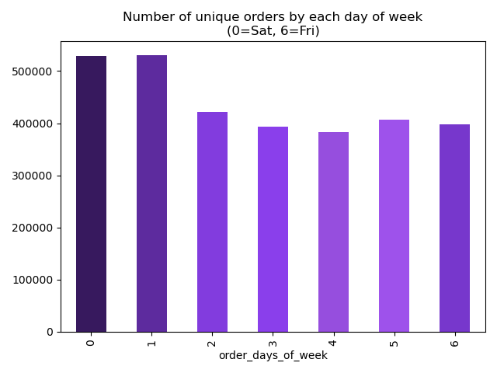

Figure 1.1 (chart above)
Relevant business question (Key Question 1): The busiest days of the week
Insight: The busiest days are weekends (Saturday and Sunday) and the slowest days are Tuesday Wednesdays

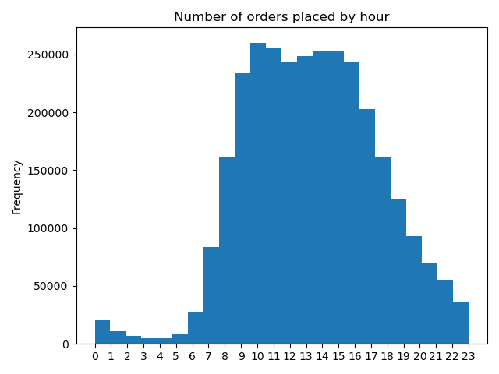

Figure 1.2 (chart above)
Relevant business question (Key Question 1): The busiest hours of the week
Insight: The busiest hours are 11 AM and 12 PM and the slowest hours are 4 AM and 5 AM

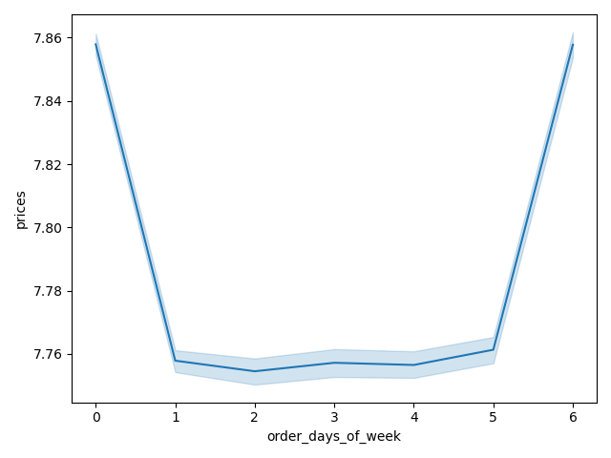

Figure 2.1 (chart above)
Relevant business question (Key Question 2): The particular times of the day when people spend the most money
Insight: From the individual purchased item price-wise, the customers tend to buy more expensive goods over the weekend (Saturday and Sunday)

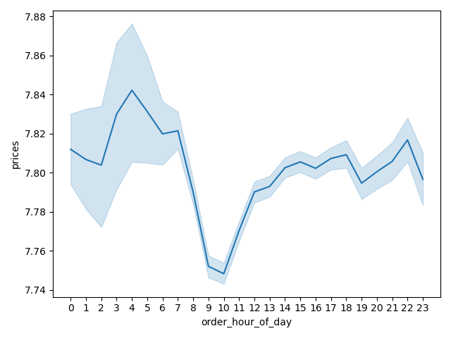

Figure 2.2 (chart above)
Relevant business question (Key Question 2): The particular times of the day when people spend the most money
Insight: From the individual purchased item price-wise, the customers tend to buy more expensive goods at 5 AM

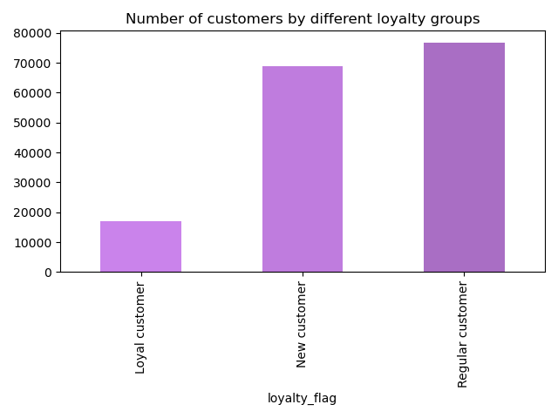

Figure 3.1 (chart above)
Relevant business question (Key Question 5.b): The ordering habits based on a customer loyalty status
Insight: This figure is to display the distribution of customers by different loyalty status prior to explaning the ordering habits. Criteria were assigned based on reviewing the total number of orders placed by customers to assign loyalty flags.
- Loyal customer (total order of more than 40): 17,017
- Regular customer (total order of greater than 10 and less than or equal to 40): 76,864
- New customer (total order of less than or equal to 10): 68,746
The loyal customers account for a relatively smaller portion of the entire customer base

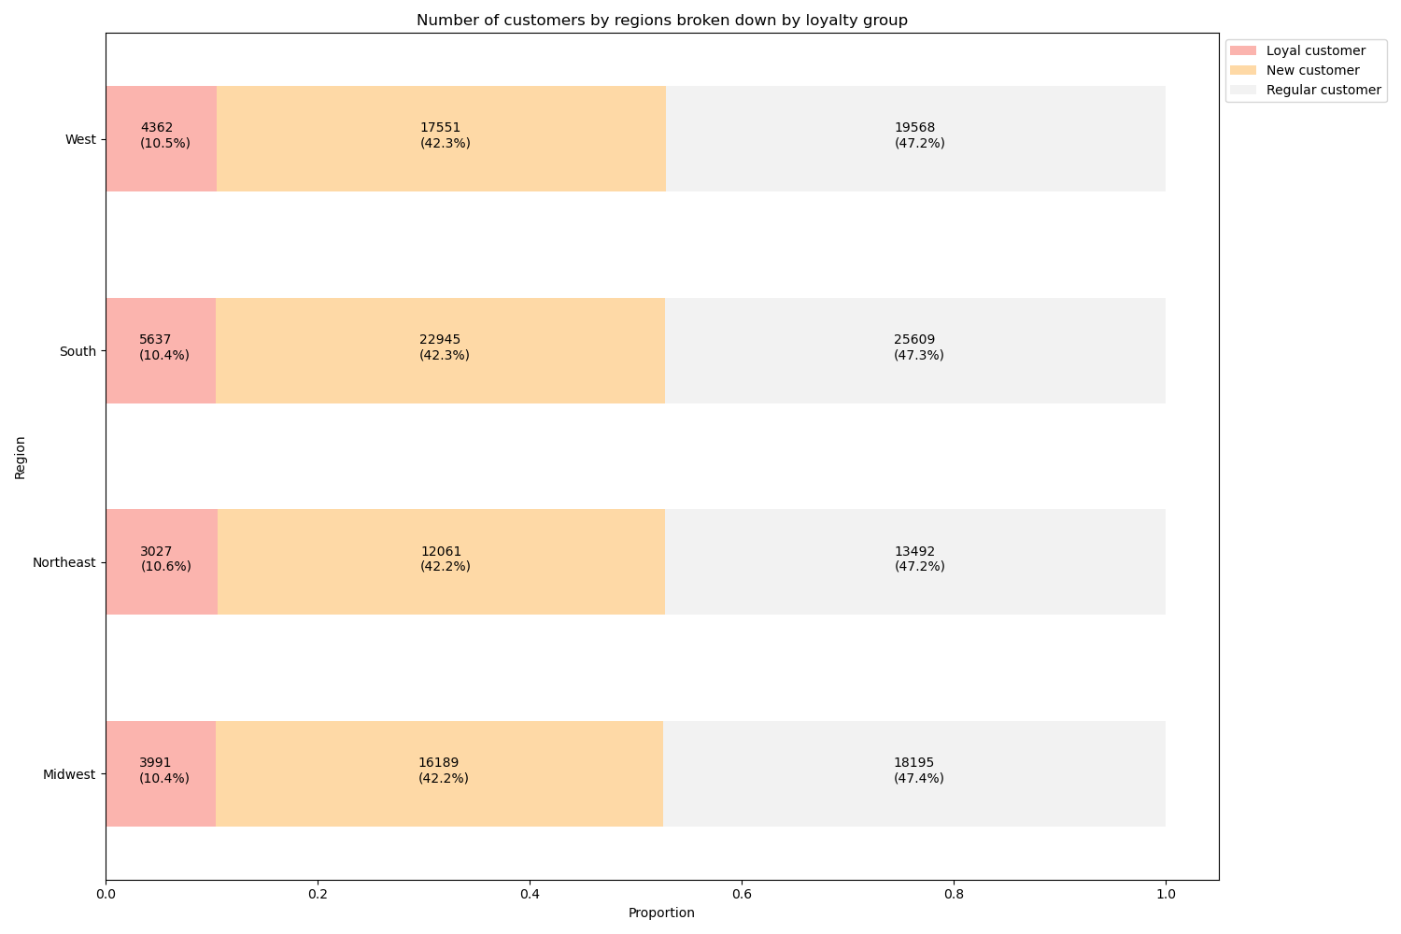

Figure 3.2 (chart above)
Relevant business question (Key Question 5.b): The ordering habits based on a customer loyalty status
Insight: From the regional breakdown perspective, the proportions of the different loyalty status customers are more or less the same across all 4 regions

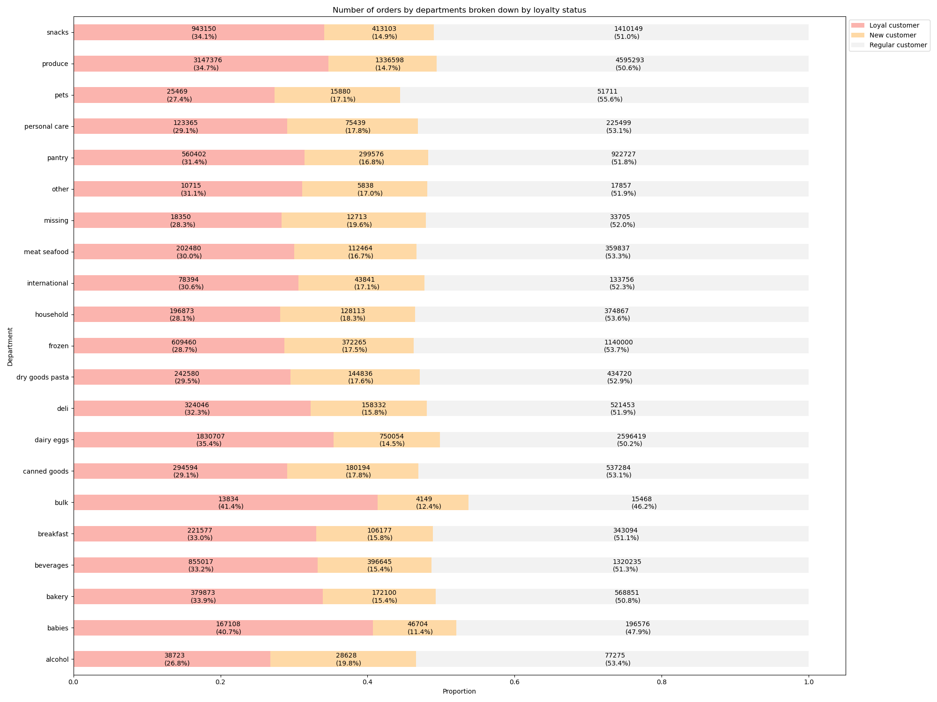

Figure 3.3 (chart above)
Relevant business question (Key Question 5.b): The ordering habits based on a customer loyalty status
Insight: From the purchase perspective, it appears that the loyal customers tend to buy more products from the bulk and babies department than from the other departments. The new customers account for more alcohol and pet related purchases

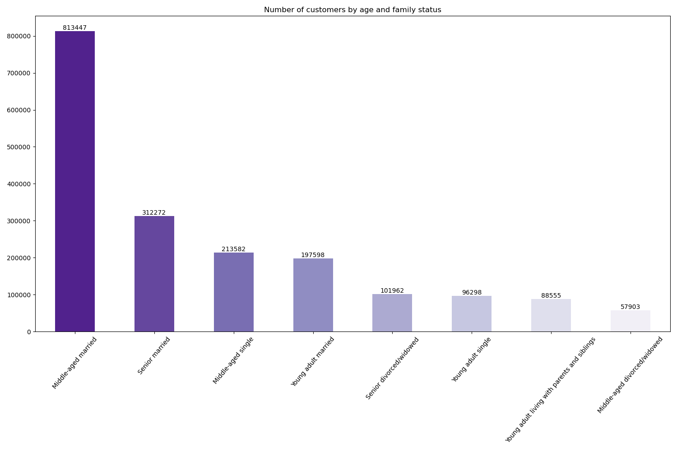

Figure 4.1 (chart above)
Relevant business question (Key Question 5.d): Connections between age and family status in terms of ordering habits
Insight: This chart is to describe the distribution of the customers by different age-family status buckets. Based on the analysis, 'Middle-aged Married' customers account for the majority of the Instacart customers

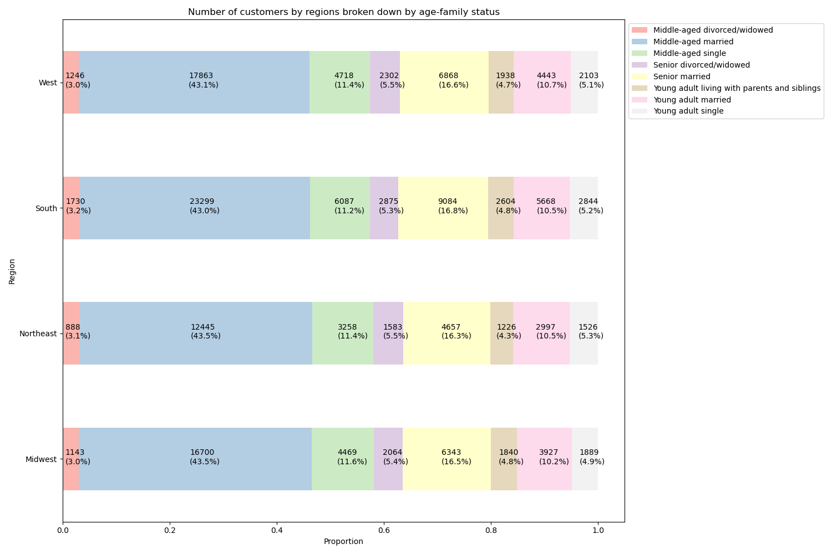

Figure 4.2 (chart above)
Relevant business question (Key Question 5.d): Connections between age and family status in terms of ordering habits
Insight: Regionally, the distributions of the different age-family status groups are more or less the same in all four regions.

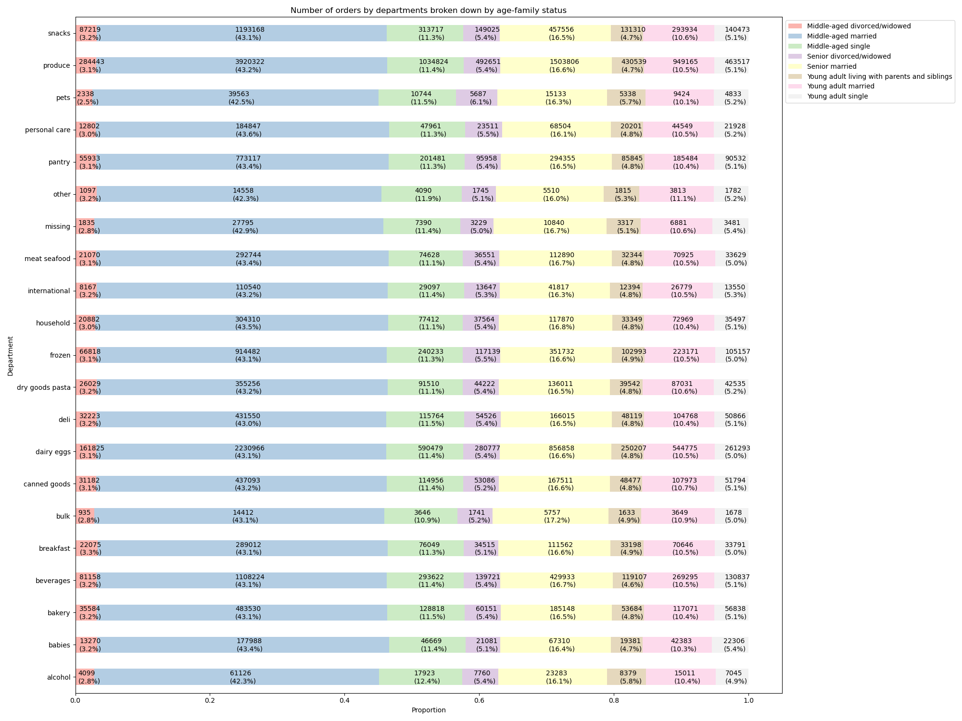

Figure 4.3 (chart above)
Relevant business question (Key Question 5.d): Connections between age and family status in terms of ordering habits
Insight: From the product purchase perspective, the distribution of these profiling bucket variables appear to be more or less the same across all departments.

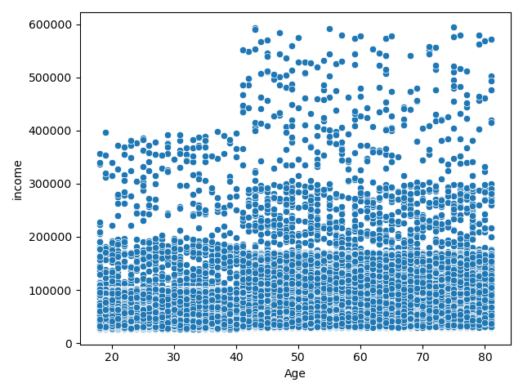

Figure 5.1 (chart above)
Relevant business question (Key Question 5.f): Variations of ordering habits amongst different customer profiles (Age-Income)
Insight: From just comparing the age variables against the income variables, it is noted that most of the Instacart customers have the income between $0 to $200K. However, it appears that older customers, especially 40 and above, seemed to have more spending power compare to the younger customers as there are many customers who make between $200K and $300K compared to the younger customers. Additionally, there are older customers who even have incomes between $400K and $600K while such income levels do not appear for the customers who are younger than 40.

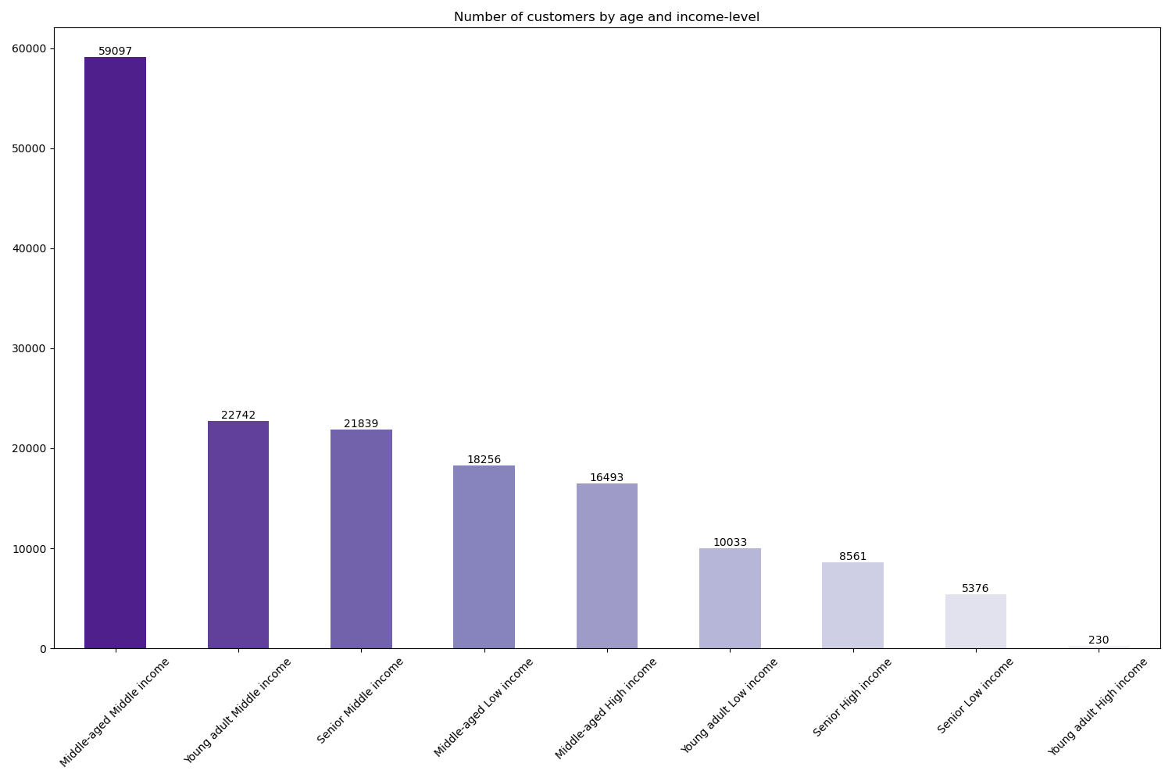

Figure 5.2 (chart above)
Relevant business question (Key Question 5.f): Variations of ordering habits amongst different customer profiles (Age-Income)
Insight: This chart is to describe the distribution of the customers by different age-income status buckets. Based on the groupings of customers based on this profile, 'Middle-aged Middle income' customers account for the majority of the Instacart customers, while the 'Young adult High income' customers account for the least.

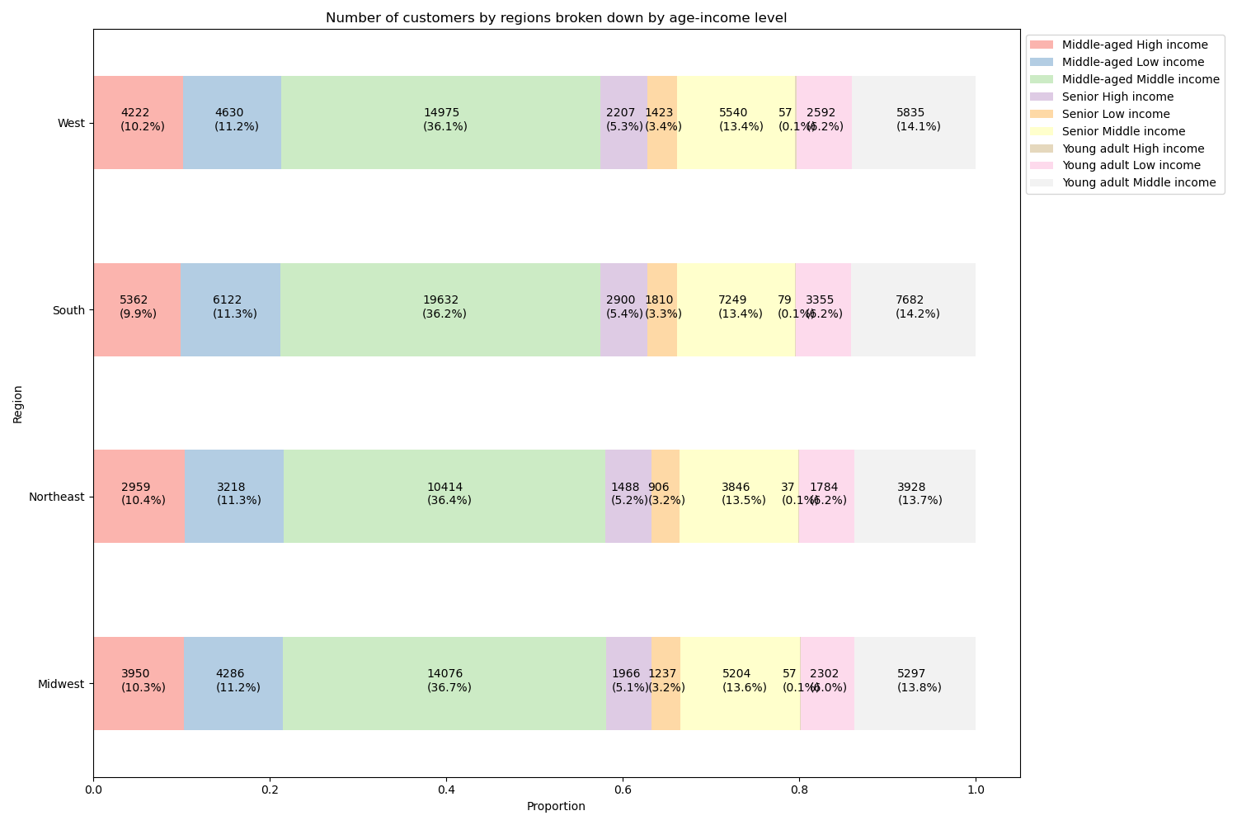

Figure 5.3 (chart above)
Relevant business question (Key Question 5.f): Variations of ordering habits amongst different customer profiles (Age-Income)
Insight: Regionally, the distributions of the different age-income status groups are more or less the same in all four regions.

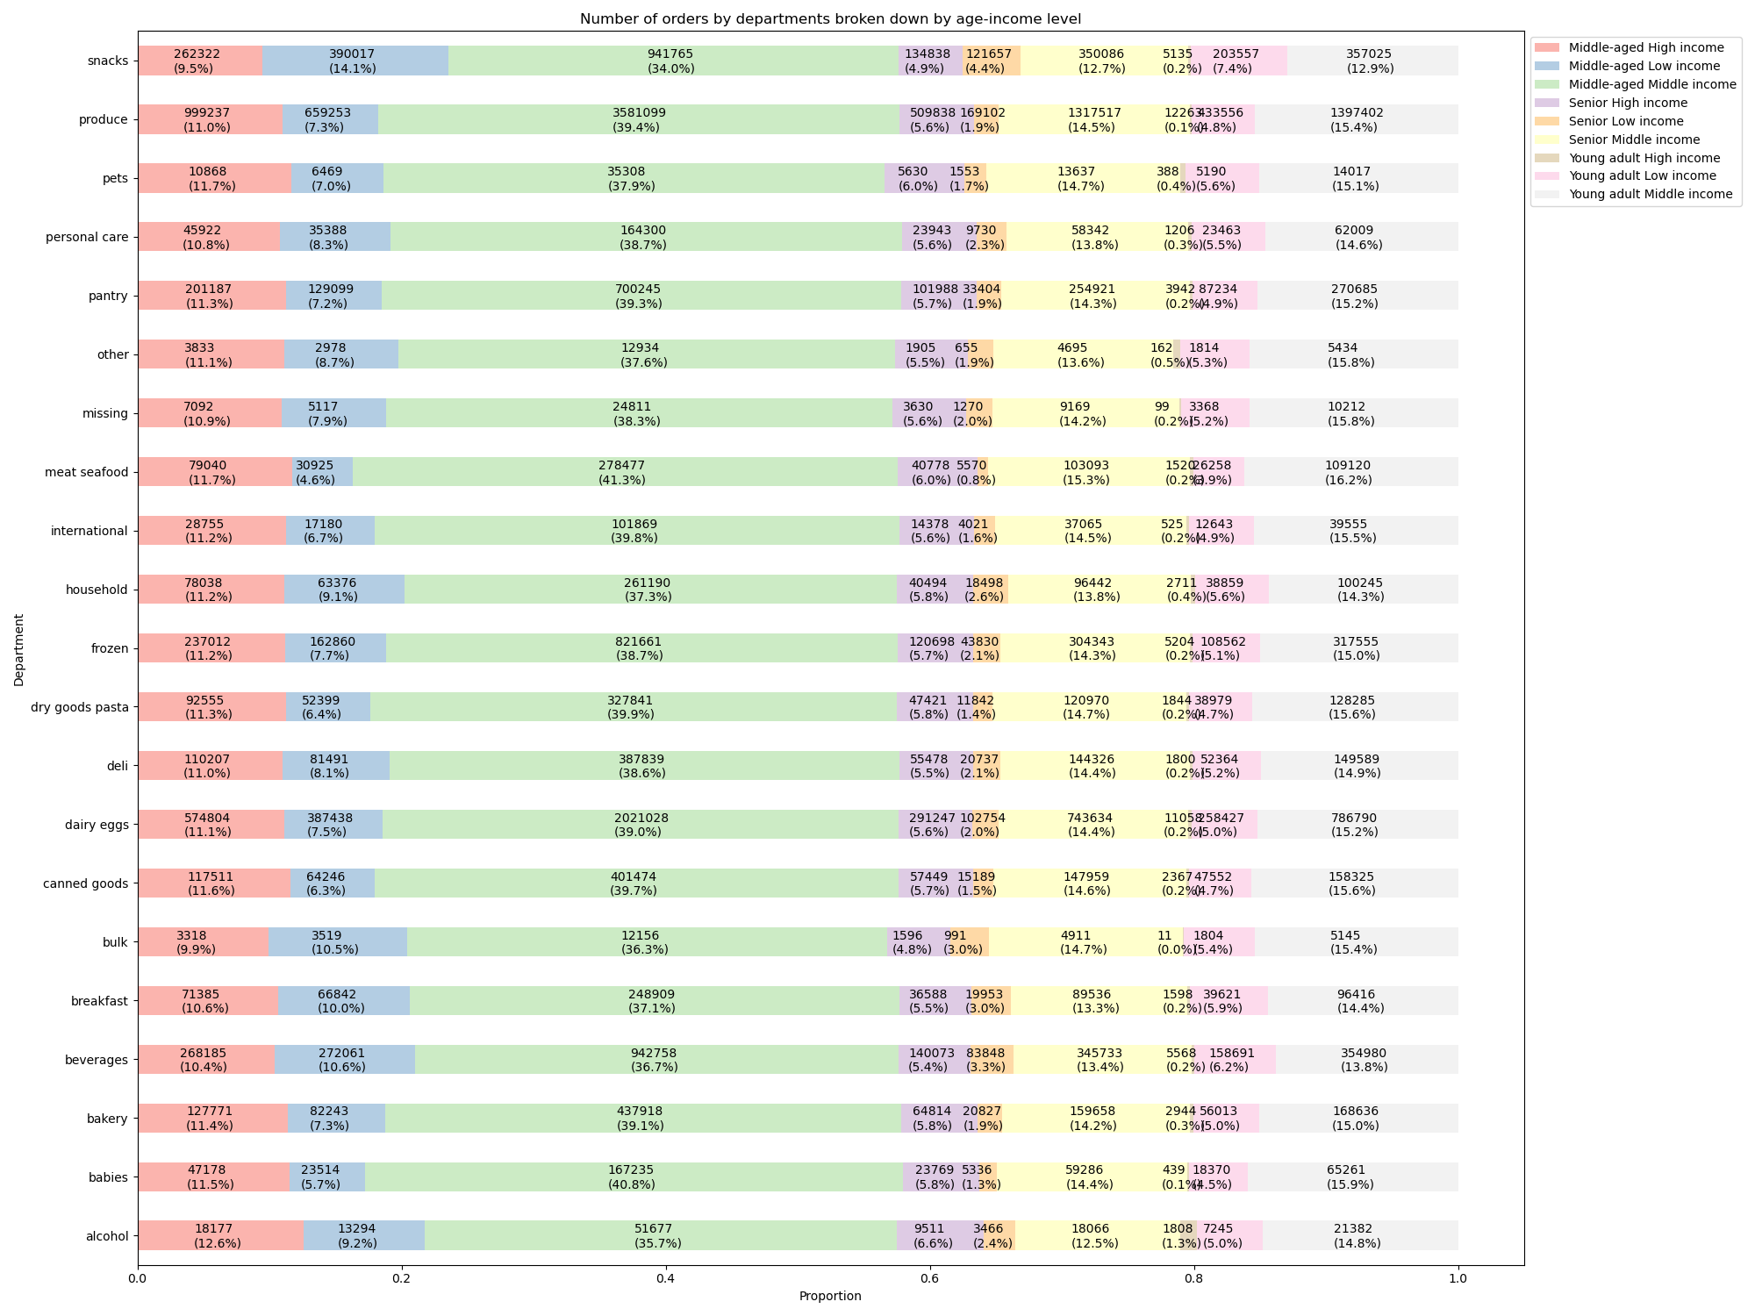

Figure 5.3 (chart above)
Relevant business question (Key Question 5.f): Variations of ordering habits amongst different customer profiles (Age-Income)
Insight: From the product purchase perspective, it is interesting to note that low-income customer groups had more puchases in snacks department and less purchases in the meat/seafood and babies department compared to the other groups.

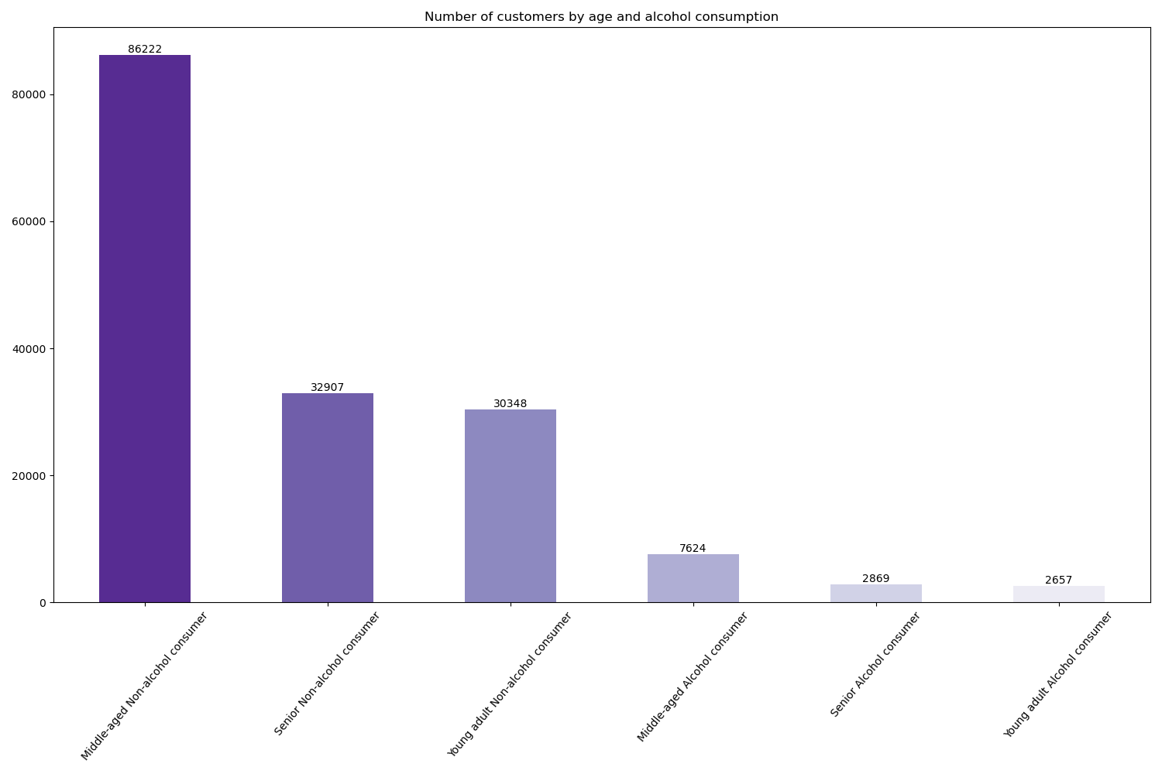

Figure 6.1 (chart above)
Relevant business question (Key Question 5.f): Variations of ordering habits amongst different customer profiles (Age-alcohol consumption)
Insight: This chart is to describe the distribution of the customers by different age-alcohol consumption status buckets. Based on the groupings of customers based on this profile, 'Middle-aged Middle income' customers account for the majority of the Instacart customers, while 'Young adult Alcohol consumers' account for the least.

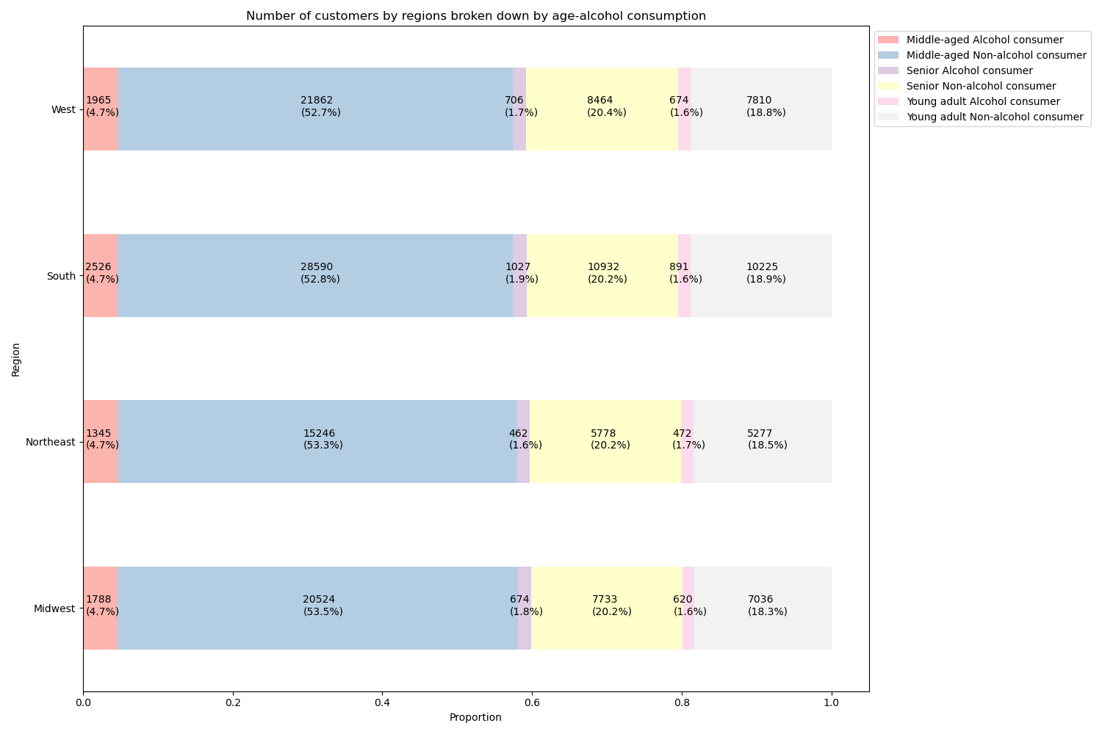

Figure 6.2 (chart above)
Relevant business question (Key Question 5.f): Variations of ordering habits amongst different customer profiles (Age-alcohol consumption)
Insight: Regionally, the distributions of the different age-family status groups are more or less the same in all four regions.

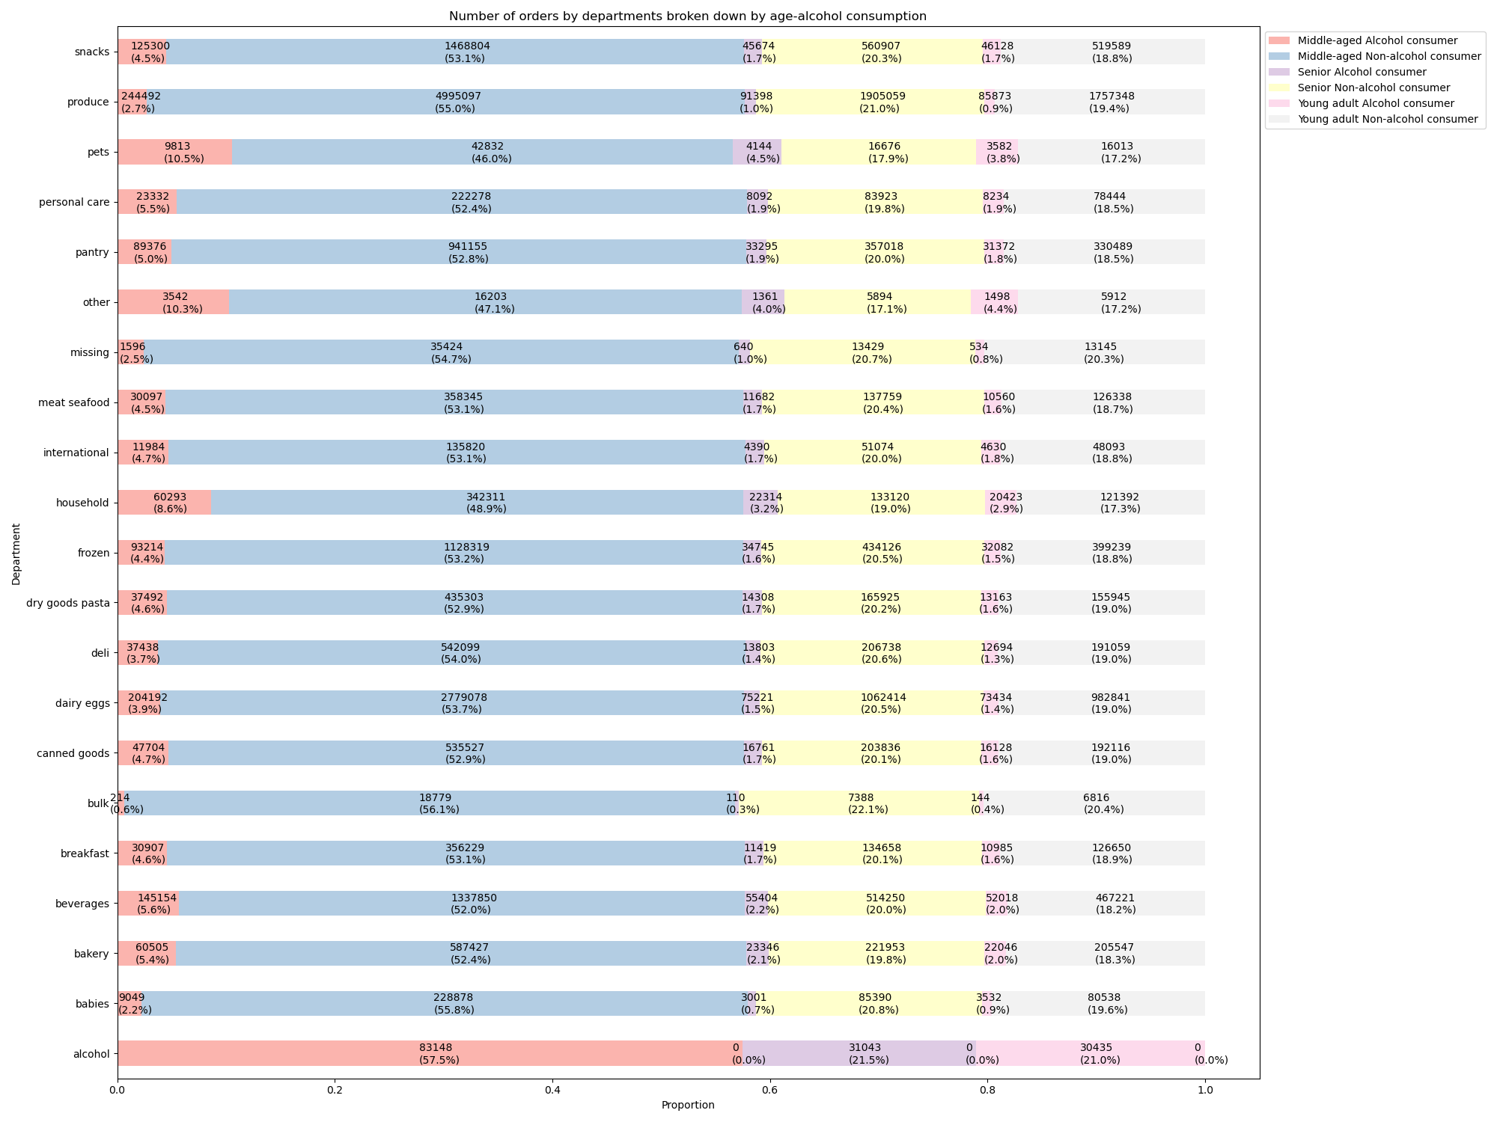

Figure 6.3 (chart above)
Relevant business question (Key Question 5.f): Variations of ordering habits amongst different customer profiles (Age-alcohol consumption)
Insight: From the product purchase perspective, it is interesting to note that alcohol-consumer customer groups had more puchases in pets, other, household department compared to the other groups, while they accounted for extremely small portions for the purchases from the bulk deparment.

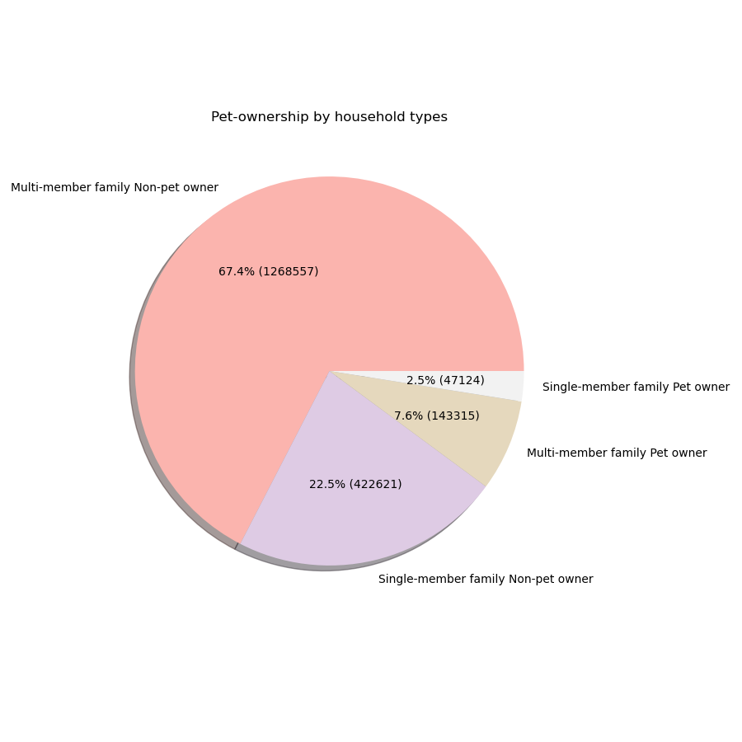

Figure 7.1 (chart above)
Relevant business question (Key Question 5.f): Variations of ordering habits amongst different customer profiles (Pet Ownership-Household Type)
Insight: This chart is to describe the distribution of the customers by different Pet-household status buckets. Based on the groupings of customers based on this profile, 'Multi-member family Non-pet owner' customers account for the majority of the Instacart customers, while 'Single-member family Pet owner' account for the least.

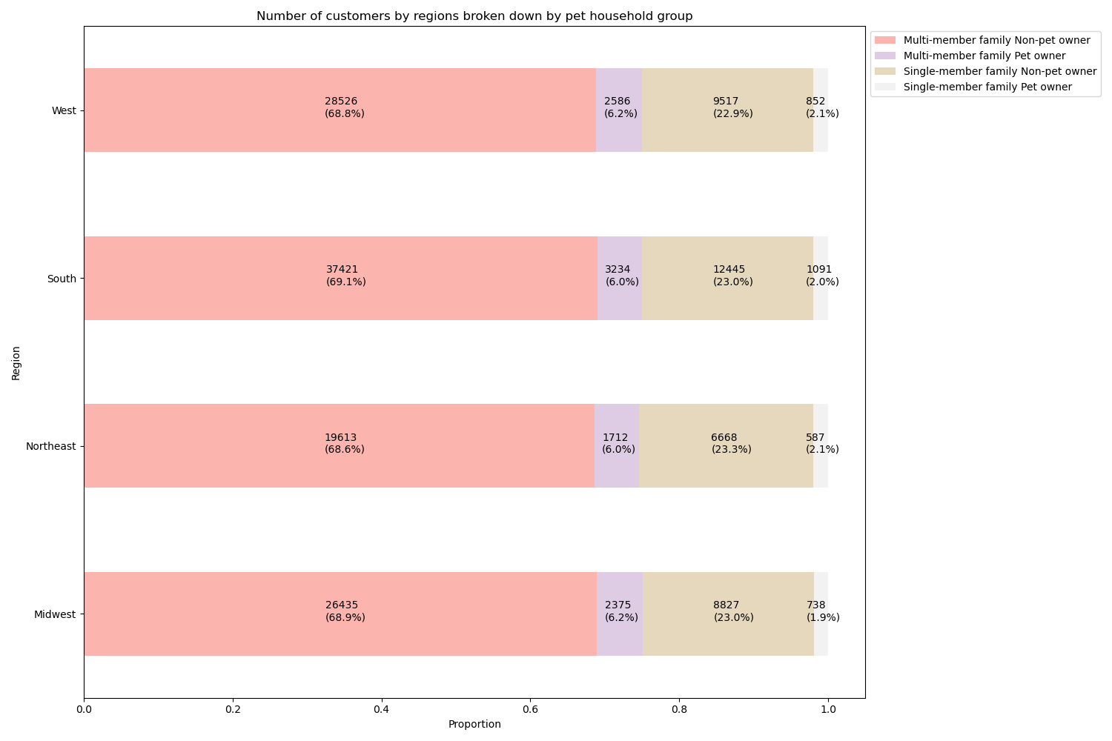

Figure 7.2 (chart above)
Relevant business question (Key Question 5.f): Variations of ordering habits amongst different customer profiles (Pet Ownership-Household Type)
Insight: Regionally, the distributions of the different pet-household status groups are more or less the same in all four regions.

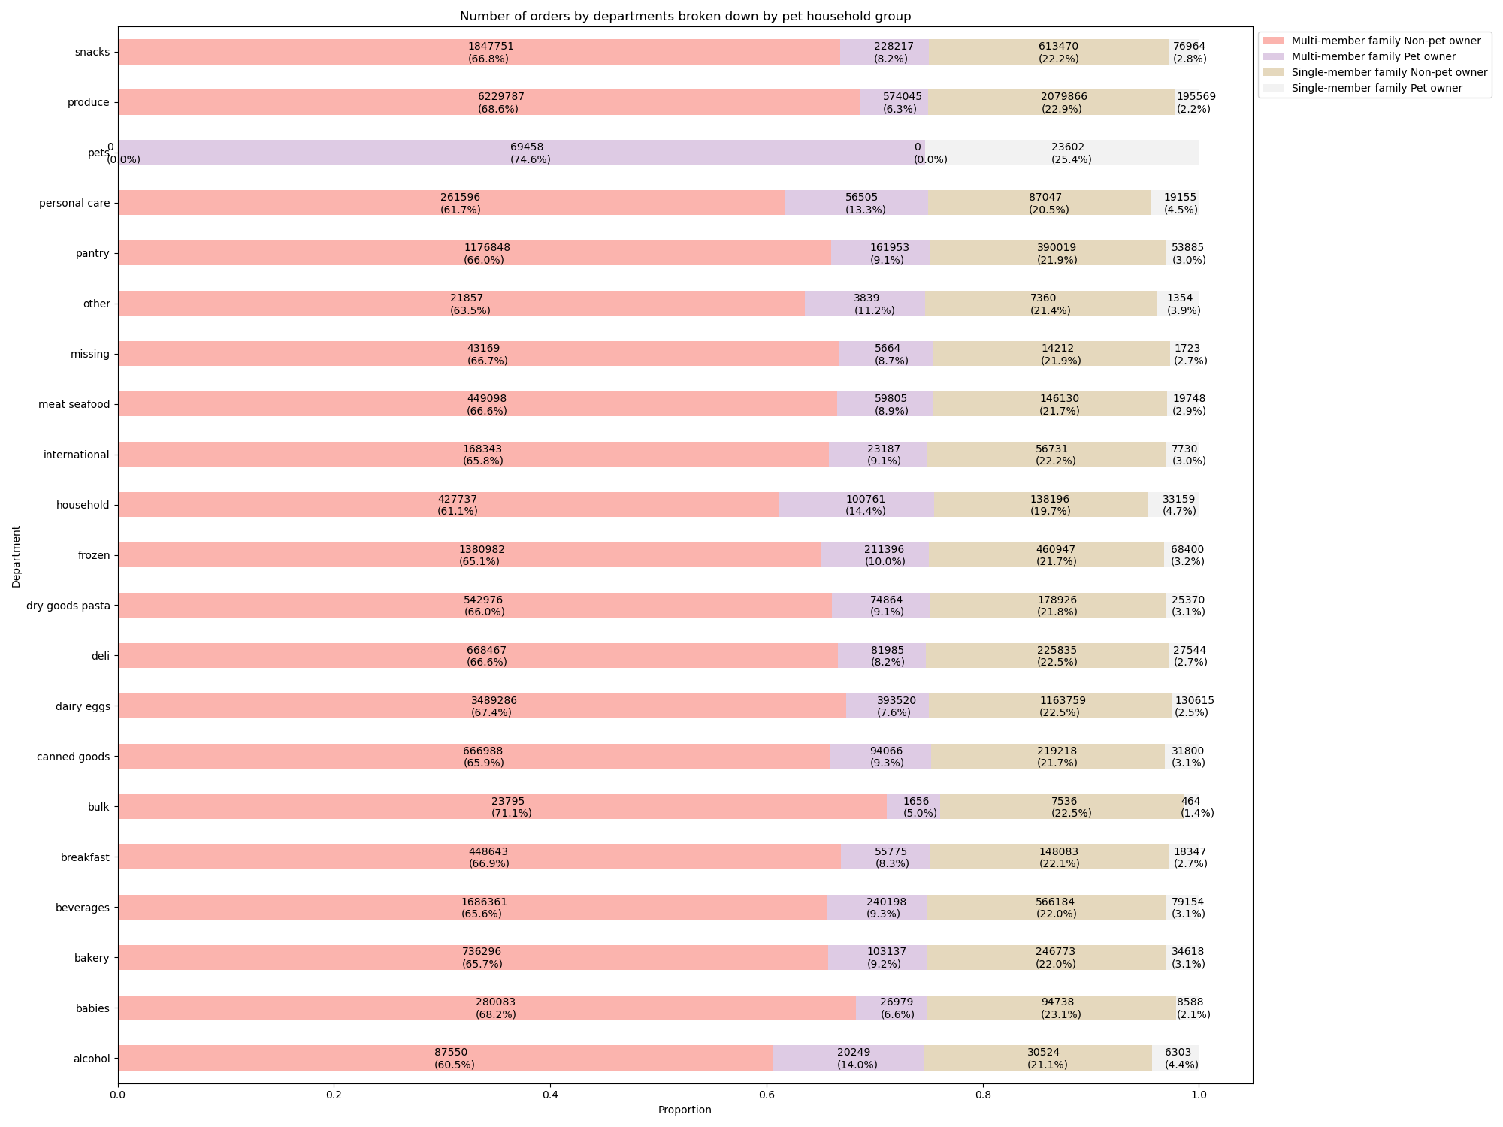

Figure 7.3 (chart above)
Relevant business question (Key Question 5.f): Variations of ordering habits amongst different customer profiles (Pet Ownership-Household Type)
Insight: From the product purchase perspective, it is interesting to note that pet-owner customer groups had more puchases in personal care, household, alcohol department compared to the other groups, while they accounted for extremely small portions for the purchases from the bulk deparment.

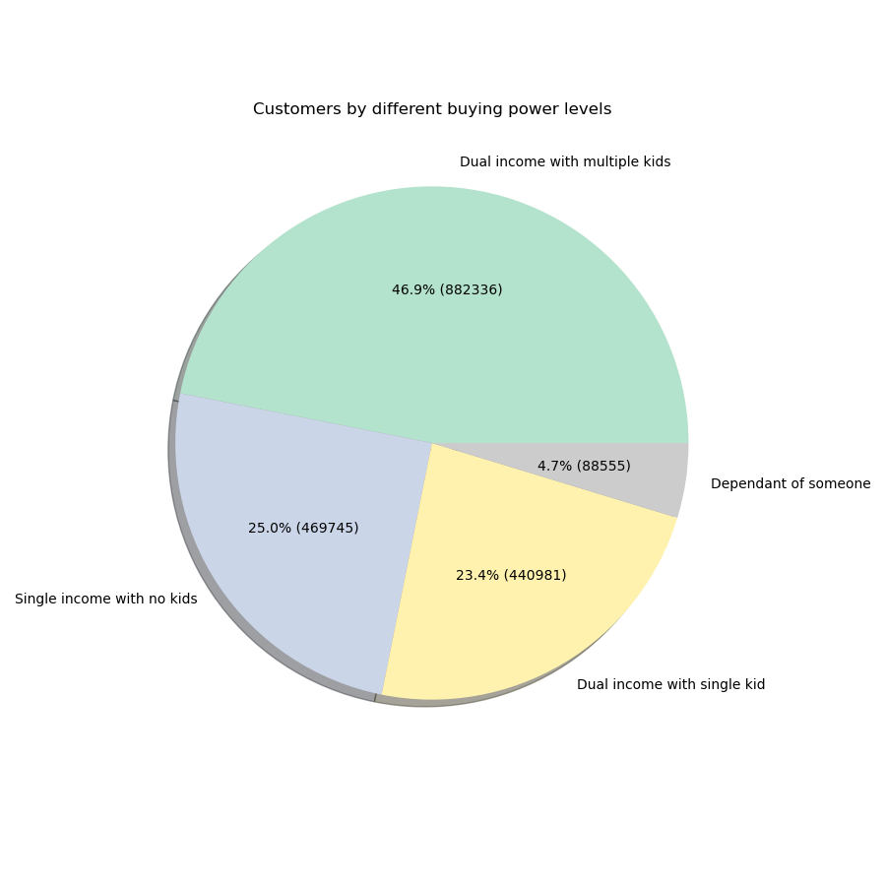

Figure 8.1 (chart above)
Relevant business question (Key Question 5.f): Variations of ordering habits amongst different customer profiles (Buying power)
Insight: This chart is to describe the distribution of the customers by different buying power status buckets. Based on the groupings of customers based on this profile, 'Dual income with multiple kids' customers account for the majority of the Instacart customers, while 'Dependant of someone' customers account for the least.

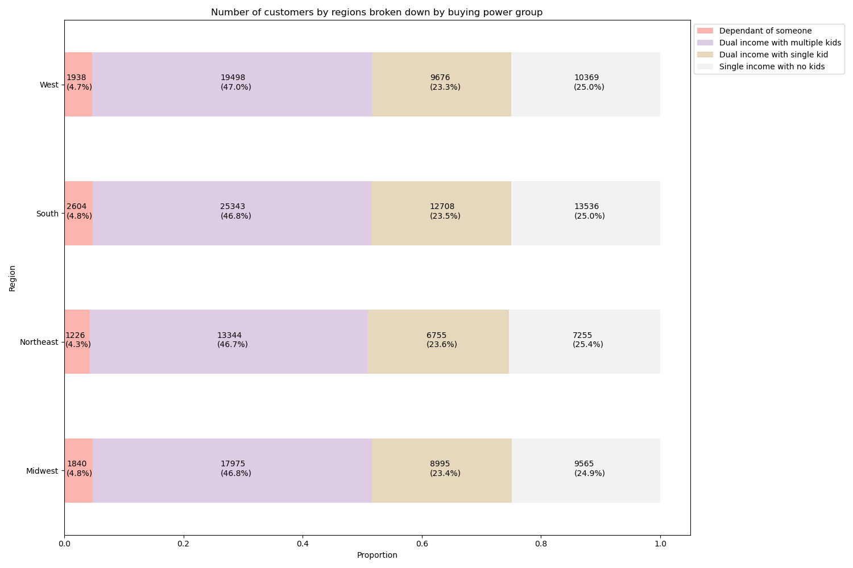

Figure 8.2 (chart above)
Relevant business question (Key Question 5.f): Variations of ordering habits amongst different customer profiles (Buying power)
Insight: Regionally, the distributions of the different buying power groups are more or less the same in all four regions.

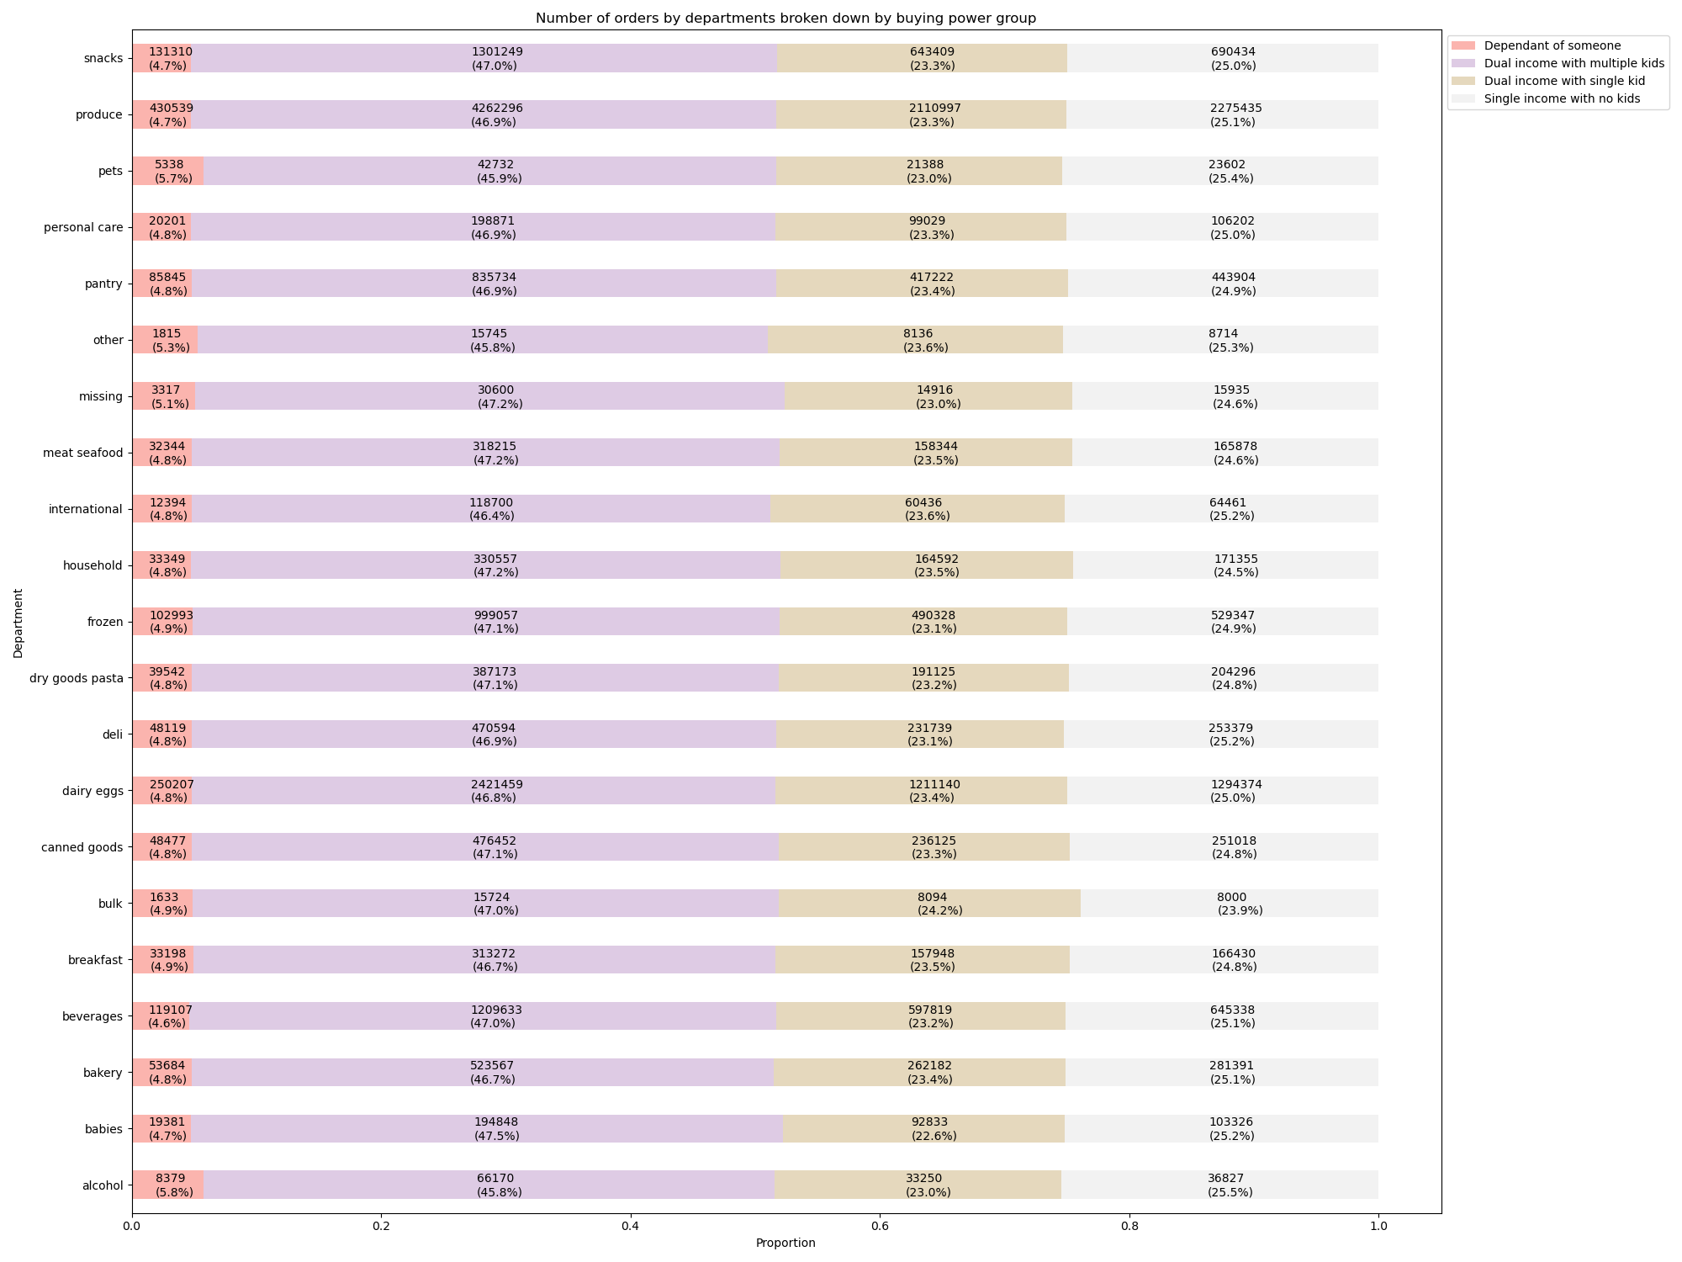

Figure 8.3 (chart above)
Relevant business question (Key Question 5.f): Variations of ordering habits amongst different customer profiles (Buying power)
Insight: From the product purchase perspective, there are no particular trends observed by different buying power groups

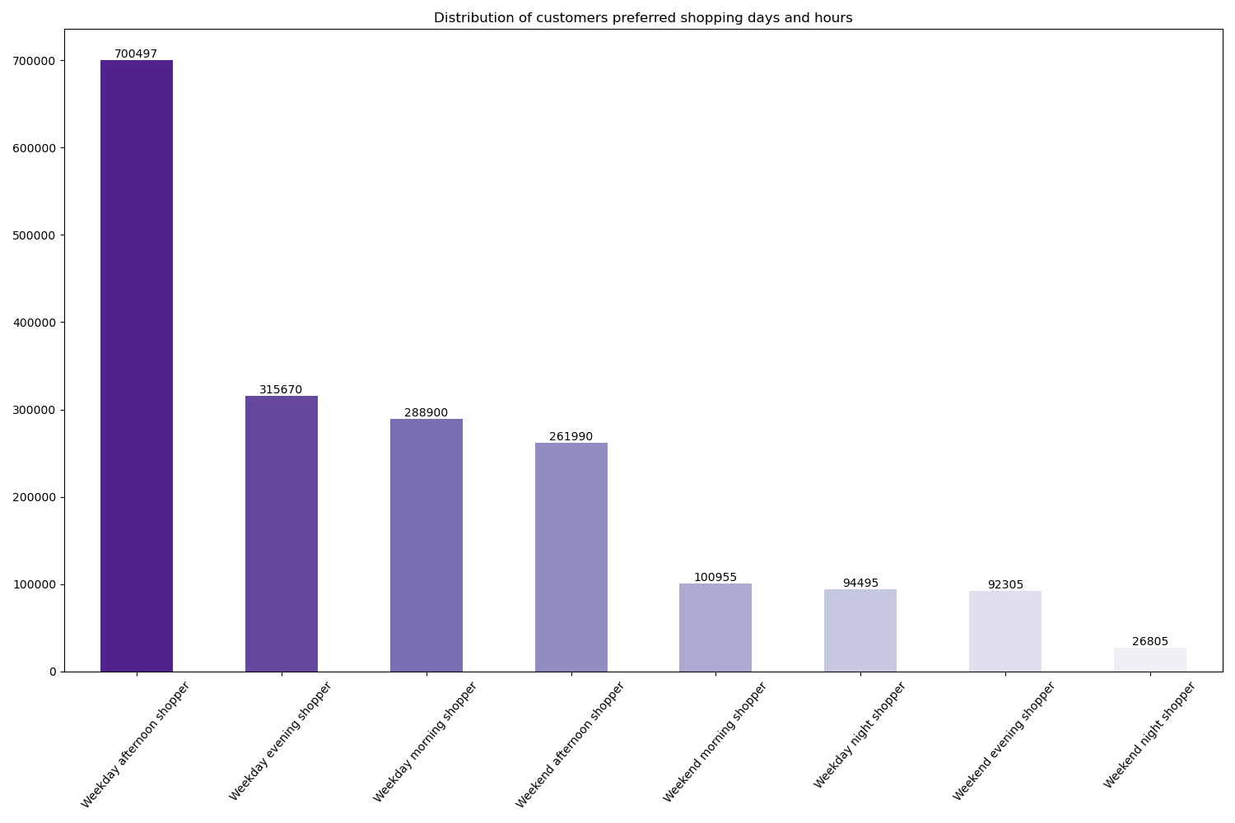

Figure 9.1 (chart above)
Relevant business question (Key Question 5.f): Variations of ordering habits amongst different customer profiles (Customer preferrred shopping day and time)
Insight: This chart is to describe the distribution of the customers by different customer preferred shopping day and time buckets. Based on the groupings of customers based on this profile, 'Weekday afternoon shopper' customers account for the majority of the Instacart customers, while Weekend night shopper' customers account for the least.

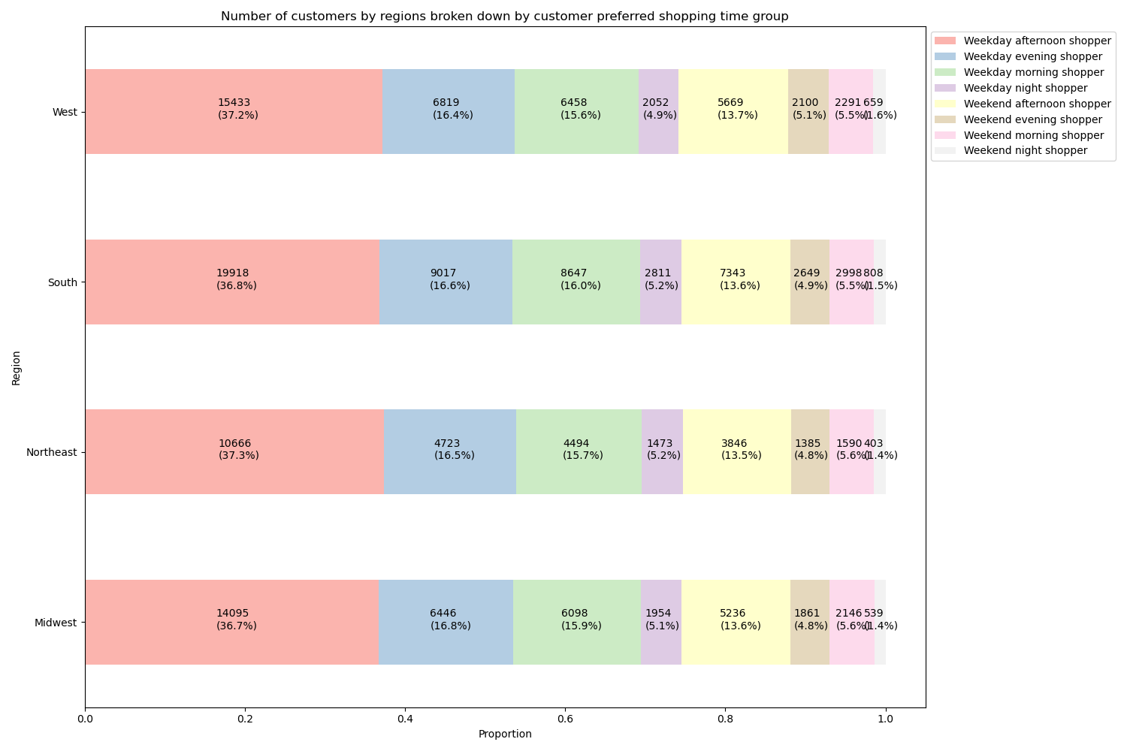

Figure 9.2 (chart above)
Relevant business question (Key Question 5.f): Variations of ordering habits amongst different customer profiles (Customer preferrred shopping day and time)
Insight: Regionally, the distributions of the different cutomer preferred shopping day and time groups are more or less the same in all four regions.

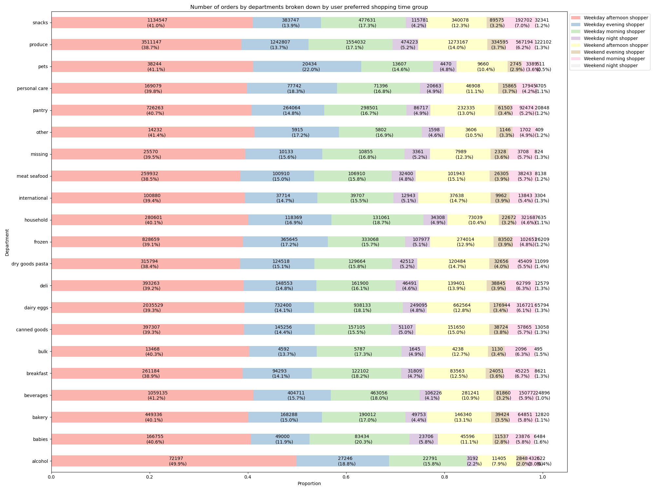

Figure 9.3 (chart above)
Relevant business question (Key Question 5.f): Variations of ordering habits amongst different customer profiles (Customer preferrred shopping day and time)
Insight: From the product purchase perspective, it is interesting to note that Weekday afternoon shoppers had more puchases in alcohol and weekday evening shoppers had more purchases in pets.

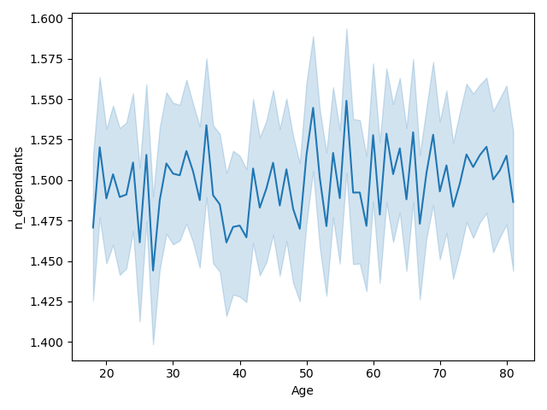

Figure 10 (chart above)
Relevant business question: None (this is more for the additional insights)
Insight: The relationship between age and number of dependants was also analyzed, but it did not reveal any particular pattern bewteen those two variables

7. Recommendations
 |  |  |  |  | Title page

Recommendations

In this tab you should include any recommendations you would made to Instcart in terms of their marketing strategy based on the questions posed in the brief. Every key question has been covered in the Tasks of the Exercises - here you need to add an item - a visualisation or table/crosstable that is showing the answer in the data, acompanied by a comment from you. Please, list the questions below and add the answer underneath.

Question | Question Description | Answer | Recommendation | Analysis Report/Visualization Reference
Key Question 1 | The sales team needs to know what the busiest days of the week and hours of the day are (i.e., the days and times with the most orders) in order to schedule ads at times when there are fewer orders. | The busiest days are weekends (Saturday and Sunday) and the slowest days are Tuesday Wednesdays. The busiest hours are 11 AM and 12 PM and the slowest hours are 4 AM and 5 AM. | Consider having promotions on slow days/hours (Tuesday and Wednesday/ 4-5 AM) such as 'Weekday Early Bird Specials' to redistribute the customer traffic | busiest_days_refined.csv busiest_hours_refined.csv bar_orders_dow_refined.png hist_order_hour_refined.png
Key Question 2 | They also want to know whether there are particular times of the day when people spend the most money, as this might inform the type of products they advertise at these times. | From the individual purchased item price-wise, the customers tend to buy more expensive goods over the weekend (Saturday and Sunday). From the individual purchased item price-wise, the customers tend to buy more expensive goods at 5 AM Additionally, from the aggregate order-level, the most money was spent at 11 AM with the total spent during this hour of $20.5M | Consider advsertising higher priced items during weekend early morning to boost the revenue. Additionally, given that the aggregate total order values are the highest around 11 AM, consider leveraging this information for future advertisement planning (i.e., either advertise even more around this hour to further boost sales or redirect the advertisement efforts to other hours as customers will be shopping at this hour nonetherless) | most_money_spent_hours_refined.csv line_order_dow_prices_refined.png line_order_hour_prices_refined.png
Key Question 3 | Instacart has a lot of products with different price tags. Marketing and sales want to use simpler price range groupings to help direct their efforts. | High, medium, low-range product categories developed based on price range and applied to the data. Refer to the criteria used below: High-range product: greater than $15 Mid-range product: greater than $5 and less than or equal to $10 Low-range prodct: les than $5 Based on this critera, Instacart customer purchased the following number of goods in each price range: Mid-range product: 20,891,735 Low-range product: 9,674,830 High-range product: 393,076 Price unavailable: 4,877 | Consider the price range groupings developed as part of this analysis (refer to the answer section) for simplifcations | order_counts_by_price_range_refined.csv
Key Question 4 | Are there certain types of products that are more popular than others? The marketing and sales teams want to know which departments have the highest frequency of product orders. | Based on the analysis, the items from the 'produce' department was the most popular products. On an average, an Instacart customer ordered 55.8 products from the 'produce' department during their Instacart order histories. | Given that 'produce' items are the ones that were most frequently purchased by the customers, consider broadening the supplier base in the 'produce' areas (e.g., local farmer's market, etc.) and use this as one of the marketing points (e.g., "At Instacart, we believe in locally grown products and we deliver them to you")to attract more customers and retain existing customers, which will lead to shop of other goods by customers using Instacart | popular_department_refined.csv
Key Question 5 | The marketing and sales teams are particularly interested in the different types of customers in their system and how their ordering behaviors differ. | Refer to the sections below | Refer to the sections below
Key Question 5.a | What’s the distribution among users in regards to their brand loyalty (i.e., how often do they return to Instacart)? | Criteria were assigned based on reviewing the median values of the customer order frequencies: Frequent customer (places an order every 10 days or less): 85,272 Regular customer (places an order every 11 to 20 days): 49,403 Non-frequent customer (places an order every 21 days or more): 27,952 | Consider a targeted marketing campaign (promos or coupons) for non-frequent customers identified as part of this analysis to increase their Instacart visits | customer_frequency_summary.csv
Key Question 5.b | Are there differences in ordering habits based on a customer’s loyalty status? | First, criteria were assigned based on reviewing the total number of orders placed by customers: Loyal customer (total order of more than 40): 17,017 Regular customer (total order of greater than 10 and less than or equal to 40): 76,864 New customer (total order of less than or equal to 10): 68,746 The loyal customers account for a relatively smaller portion of the entire customer base From the regional breakdown perspective, the proportions of the different loyalty status customers are more or less the same across all 4 regions From the purchase perspective, it appears that the loyal customers tend to buy more products from the bulk and babies department than from the other departments. The new customers account for more alcohol and pet related purchases | From the targeted marketing perspective, recommend having promotions for alcohol and pet related products to attract new customers to Instacart. For loyal customers, consider distributing tailorized coupons on bulk and babies related items for customer retention | customer_loyalty_summary.csv exp_summ_loyalty_status.csv frq_summ_loyalty_status.csv bar_loyalty_user_refined.png bar_loyalty_order_refined.png
Key Question 5.c | Are there differences in ordering habits based on a customer’s region? | Based on the distinguision of 'High-spender' and 'Low-spender' customers (customer average order value greater than or equal to 10: 'High-spender'; all other customers: 'Low-spender'), no regional level differences were noted. Note that all customer profiling level analyses are broken down at the region level. Refer to other questions in the Key Question 5 section for details. | Refer to other questions in the Key Question 5 section for details. | spend_by_region_refined.csv
Key Question 5.d | Is there a connection between age and family status in terms of ordering habits? | Based on the different groups created, the mean number of orders are more or less the same across different groups; however interestingly, the customers who are 'Middle-aged divorced/widowed' and 'Young adult living with parentes and sibilings' spend a little bit more per each order compared to the other groups. Additionally, single young adult customers place fewer number of orders and their average order value is less than the other age/family group customers. Regionally, the distributions of the different age-family status groups are more or less the same in all four regions. From the product purchase perspective, the distribution of these profiling bucket variables appear to be more or less the same across all departments. | Consider implemeting a targeted marketing campaigns for 'Middle-aged divorced/widowed' and 'Young adult living with parents and sibilings' customers to promote more spending from them. They are the already considered as big spenders, so not necessarily discount programs, but any advertisement campaigns to appeal and attract these groups emotionally are recommended. (e.g., "At Instagram, we support divorced/widowed customers. We are here to help", etc.) For single young adults, they happened to be the low spenders. It appears that they might have budget constraints, so consider implementing tailorized marketing strategies focusing on prices, preferrably promotions like "Buy one get one free" that can lead to additional purchases | exp_summ_age_family_status.csv frq_summ_age_family_status.csv n_customers_by_age_family_status_and_region.csv n_orders_by_age_family_status_and_department.csv bar_age_family_status.png bar_region_age_family.png bar_department_age_family_status.png
Key Question 5.e | What different classifications does the demographic information suggest? Age? Income? Certain types of goods? Family status? | Following additional customer profiling variables were created for further analyses (refer to '5. Column derivations' for details around criteria and variable creations): - Age Income level: based on bucketing by age and income - Age group by alcohol consumer vs non-alcohol consumer - Different types of household setting for users (single/multi-member family) and pet ownership - Customer buying power based on family status and number of dependents - Customer's preferred shopping day and hour | This question is to list out the different classifications that can be derived from the data. Refer to the sections below for the recommendations made using these classifications | Refer to the cells below for details
Key Question 5.f | What differences can you find in ordering habits of different customer profiles? Consider the price of orders, the frequency of orders, the products customers are ordering, and anything else you can think of. | Following ordering habits were noted by each of the following customer profile variable created: - Age Income level based on bucketing by age and income - Age group by alcohol consumer vs non-alcohol consumer - Different types of household setting for users (single/multi-member family) and pet ownership - Customer buying power based on family status and number of dependents - Customer's preferred shopping day and hour For each customer profiling variable, refer to '5. Column derivations' for details on the criteria used for bucketing. The detailed answers for each customer profile are listed below. Additionally, these customer profiling variable analyses were conducted by region and department level. Refer to '6. Visualizations' for details. | Refer below for recommendations for each customer profiling variables | Refer below for recommendations for each customer profiling variables
 |  | Age Income level based on bucketing by age and income: From just comparing the age variables against the income variables, it is noted that most of the Instacart customers have the income between $0 to $200K. However, it appears that older customers, especially 40 and above, seemed to have more spending power compare to the younger customers as there are many customers who make between $200K and $300K compared to the younger customers. Additionally, there are older customers who even have incomes between $400K and $600K while such income levels do not appear for the customers who are younger than 40. Based on the groupings of customers based on this profile, 'Middle-aged Middle income' customers account for the majority of the Instacart customers, while the 'Young adult High income' customers account for the least. In terms of the order expenditure, 'Young adult High income' group had the highest average total expenditures, while 'Senior Low income' and 'Middle-aged Low income' had the lowest. From the order frequency perspecitve, the similar trends were noted as the ones of the expenditures. Regionally, the distributions of the different age-income status groups are more or less the same in all four regions. From the product purchase perspective, it is interesting to note that low-income customer groups had more puchases in snacks department and less purchases in the meat/seafood and babies department compared to the other groups. | - Consider attracting the customer groups with low expenditures and/or low order frequencies. The root cause first needs to be identified. From the patterns analyzed, one of the contributing factors could be due to accesibility (e.g., tech-savvy customers may use Instacart more than the others). Based on additional research, consider a wider variety of platforms with ease of use, not just limiting to mobile apps. - Consider a bundling deal by pairing popular products with least popular products to drive customers' attentions to least popular products. For example, have a bundle deal of snacks with low-priced meat/seafood products, targeting low income consumers. This may introduce/open doors for the low income consumers to purchase more meat/seafood products in the future. | exp_summ_age_income.csv frq_summ_age_income.csv n_customers_by_age_income_level_and_region.csv n_orders_by_age_income_level_and_department.csv scat_age_income_refined.png bar_age_income.png bar_region_age_income.png bar_department_age_income.png
 |  | Age group by alcohol consumer vs non-alcohol consumer: Based on the groupings of customers based on this profile, 'Middle-aged Middle income' customers account for the majority of the Instacart customers, while 'Young adult Alcohol consumers' account for the least. In terms of the order expenditure, 'Young adult Non-alcohol consumer' and 'Senior Non-alcohol consumer' groups had the highest average total expenditures, while 'Senior Alcohol consumer' and 'Middle-aged Alcohol consumers' had the lowest. From the order frequency perspecitve, the average number of total orders by each group had immaterial differences. Regionally, the distributions of the different age-alcohol consumption status groups are more or less the same in all four regions. From the product purchase perspective, it is interesting to note that alcohol-consumer customer groups had more puchases in pets, other, household department compared to the other groups, while they accounted for extremely small portions for the purchases from the bulk deparment. | - Consider a promotion to drive more orders/sales from the alcohol consumers (e.g., promoting products that go well with alcohol, etc.) - Consider a bundling promotion to attract/retain alcohol consumers. Given that they purchase a lot of goods in pets, other, and household department, having promotions like 'A free can of beer with a purchse of dog food' may attract such customers. But consider the local/regional restrictions on promoting alcohol products prior to executing such promotions. | exp_summ_age_alcohol.csv frq_summ_age_alcohol.csv n_customers_by_age_alcohol_consumption_and_region.csv n_orders_by_age_alcohol_status_and_department.csv bar_age_alcohol.png bar_region_age_alcohol.png bar_department_age_alcohol_consumption.png
 |  | Different types of household setting for users (single/multi-member family) and pet ownership: Based on the groupings of customers based on this profile, 'Multi-member family Non-pet owner' customers account for the majority of the Instacart customers, while 'Single-member family Pet owner' account for the least. In terms of the order expenditure, the pet-owner groups had the highest average total expenditures, while the non-pet owner groups had the lowest. From the order frequency perspecitve, the similar trends were noted as the ones of the expenditures. Regionally, the distributions of the different pet-household status groups are more or less the same in all four regions. From the product purchase perspective, it is interesting to note that pet-owner customer groups had more puchases in personal care, household, alcohol department compared to the other groups, while they accounted for extremely small portions for the purchases from the bulk deparment. | - Given that pet owners spend more money than the non-pet owners, create a brand-image that Instacart is a pet-friendly company (e.g., investing and promoting adopt-a-pet through Instagram, etc.) to attract more pet-owners and also to potentially create more future pet-owners - Simlar to the recommendation in the age-alcohol consumption profile analysis, consider bundling promotions of pet products with other departments' products that are mostly bought by pet owners to create a synergy | exp_summ_pet_household.csv frq_summ_pet_household.csv n_customers_by_pet_household_and_region.csv n_orders_by_pet_household_and_department.csv pie_pet_household.png bar_region_pet_household.png bar_department_pet_household.png
 |  | Customer buying power based on family status and number of dependents: Based on the groupings of customers based on this profile, 'Dual income with multiple kids' customers account for the majority of the Instacart customers, while 'Dependant of someone' customers account for the least. In terms of the order expenditure, the 'Dependant of someone' group had the highest average total expenditures, while the 'Dual income with single kid' had the lowest. From the order frequency perspecitve, the similar trends were noted as the ones of the expenditures. Regionally, the distributions of the different buying power groups are more or less the same in all four regions. From the product purchase perspective, there are no particular trends observed by different buying power groups. | - Interestingly 'Dependant of someone' had the highest average expenditures over the other groups. One of the reasons could be that they are ordering on behalf of the other family members. Considering a specialized order interface for this group may drive more sales such as having a customized shopping cart/wishlist broken down by family members (e.g., For Mom: A, B, C; For Dad: X, Y, Z; Treat Myself: D, E, F) | exp_summ_buying_power.csv frq_summ_buying_power.csv n_customers_by_buying_power_and_region.csv n_orders_by_buying_power_and_department.csv pie_buying_power.png bar_region_buying_power.png bar_department_buying_power.png
 |  | Customer's preferred shopping day and hour: Based on the groupings of customers based on this profile, 'Weekday afternoon shopper' customers account for the majority of the Instacart customers, while Weekend night shopper' customers account for the least. In terms of the order expenditure, the 'Weekday morning shopper' and 'Weekday afternoon' groups had the highest average total expenditures, while the 'Weekend evening shopper' group had the lowest. From the order frequency perspecitve, the similar trends were noted as the ones of the expenditures. Regionally, the distributions of the different cutomer preferred shopping day and time groups are more or less the same in all four regions. From the product purchase perspective, it is interesting to note that Weekday afternoon shoppers had more puchases in alcohol and weekday evening shoppers had more purchases in pets. | - Consider creating a targeted marketing ads or campaigns based on preferred shopping day and hour and popular product combinations to solidify and boost sales (e.g., alcohol ads dudring weekday afternoons and pet ads during weekday evening, etc.) | exp_summ_preferred_time.csv frq_summ_preferred_time.csv n_customers_by_preferred_shop_time_and_region.csv n_orders_by_preferred_shopping_time_and_department.csv bar_preferred_time.png bar_region_preferred_shop_time.png bar_department_preferred_shopping_time.png

